OpenAccount
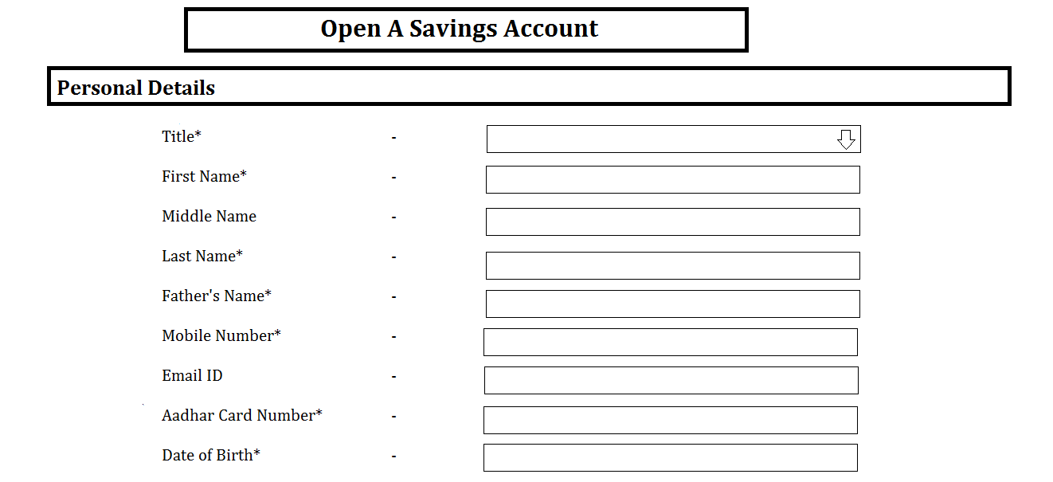
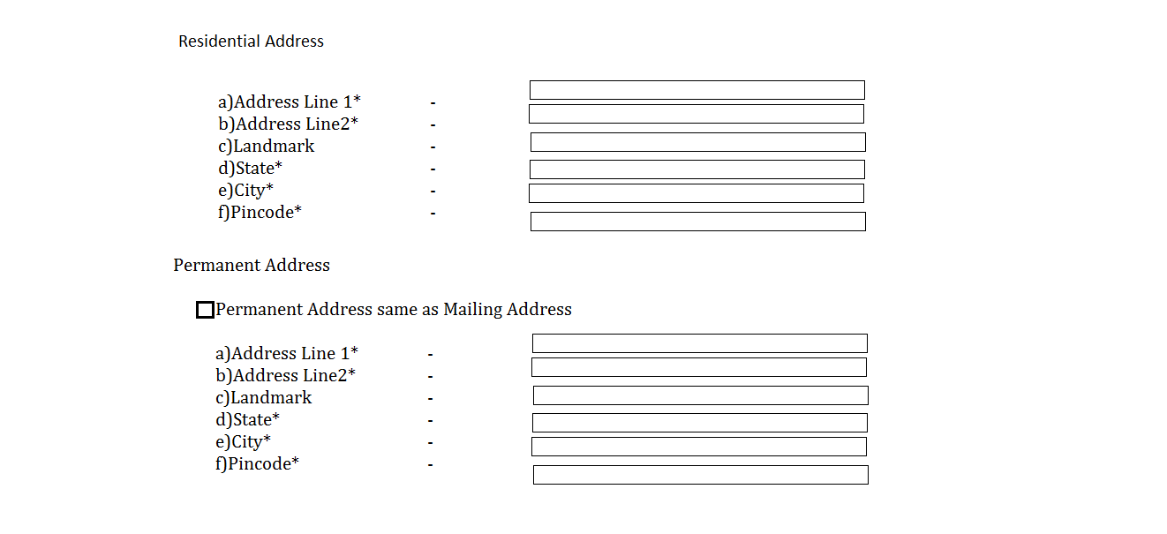
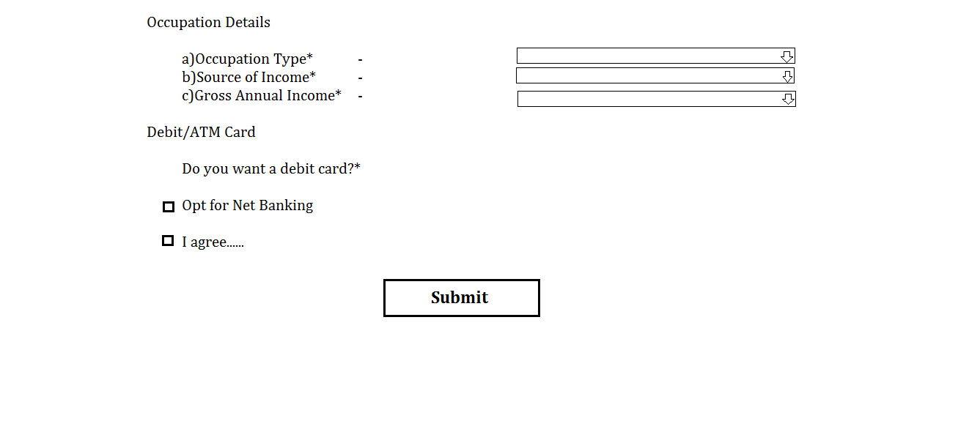
 | Open_Savings_Account
Tab | Personal Details |  |  |  |  |  |  |  |  | Residential Address |  |  |  |  |  | Permanent Address |  |  |  |  |  | Occupation Details
Attribute | Title | First_Name | Middle_Name | Last_Name | Fathers_Name | MobileNo | eMailId | AadharCardNo. | DateOfBirth | Line1 | Line2 | Landmark | City | State | Pincode | Line1 | Line2 | Landmark | City | State | Pincode | OccupationType | SourceOFIncome | GrossAnnualIncome
Type | DropDown | Varchar | Varchar | Varchar | Varchar | Number | Varchar | Number | Date | Varchar | Varchar | Varchar | Varchar | Varchar | Number | Varchar | Varchar | Varchar | Varchar | Varchar | Number | DropDown
Size/Format | 3 options | 20 | 20 | 20 | 30 | 10 | 30 | 12 | dd/mm/yyyy |  |  |  |  |  | 6
Required | * | * |  | * | * | * |  | * | * | * | * |  | * | * | * | * | * |  | * | * | * | *

create table OpenAccount ( title varchar2(4), first_name varchar2(100), last_name varchar2(100), MobileNo number(10), emailId varchar2(100), aadharCardNo number(12), DOB date, ResAddrLine1 varchar2(100), ResAddrLine2 varchar2(100), ResLandmark varchar2(100), ResCity varchar2(30), ResState varchar2(30), ResPincode number(6), AddrLine1 varchar2(100), AddrLine2 varchar2(100), Landmark varchar2(100), City varchar2(30), State varchar2(30), Pincode number(6) OccupationType varchar2(50), SourceofIncome varchar2(50), GrossAnnualIncome varchar2(50));

ForgotID
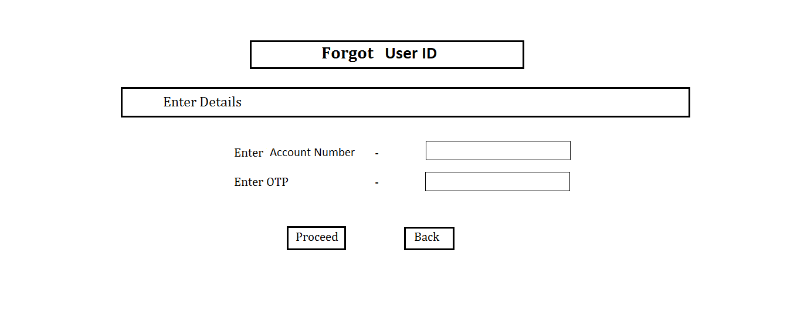

ForgotPassword
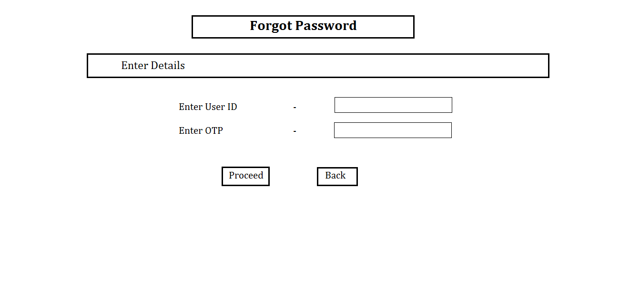

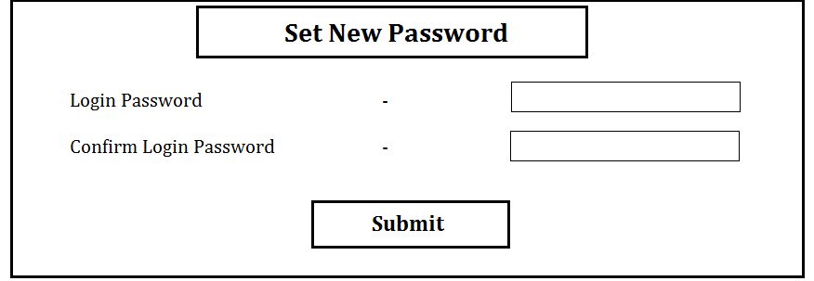

IntBankingReg
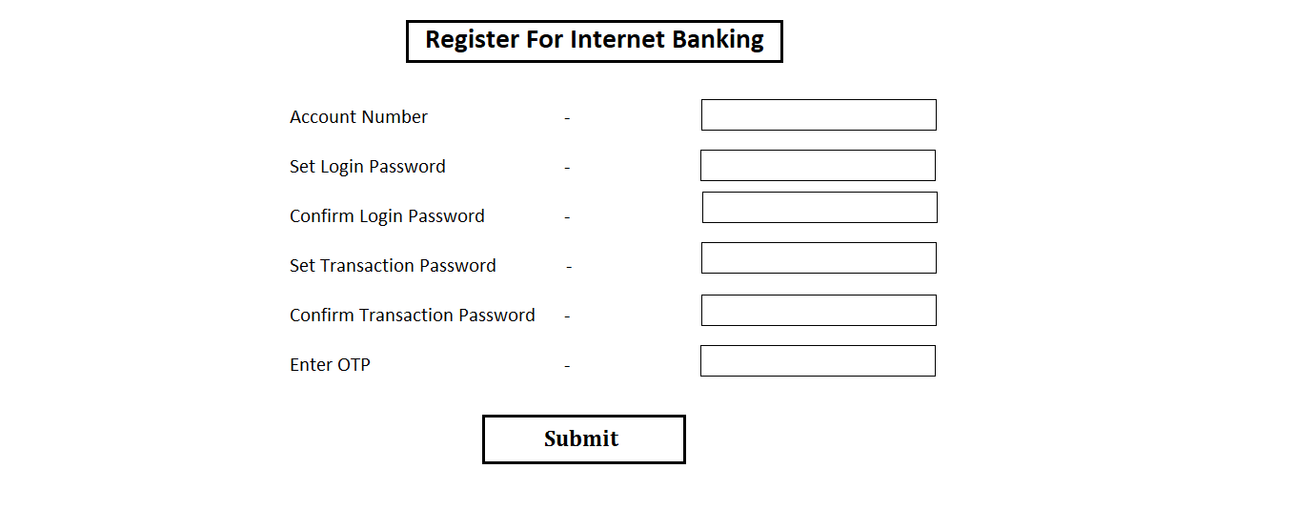
Bismillah

Internet_Banking_Registration
Account No (PK) | Password | Confirm_Password | Transaction_Pwd | Confirm_TransPwd
integer(16) | Varchar | Varchar | integer(4) | integer(4)

AddBeneficiary
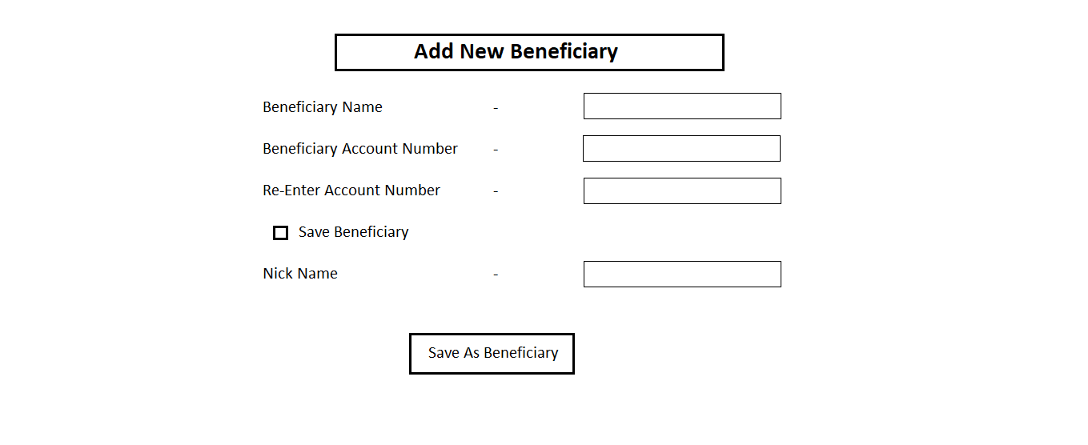
 | Form
Tab | Add New Beneficiary
Attribute | Benificiary_Name | Beneficiary_AccNo | ConfirmAccNo | NickName | Beneficiary
Type | Varchar | Number | Number | Varchar | BenAccNo | BenName | AccNo
Size/Format | 30 | 16 | 16 | 30
Required | * | * | *
 |  |  |  |  | create table Beneficiary(BenAccNo number(16), BenName varchar2(100), AccNo number(16));

Payment
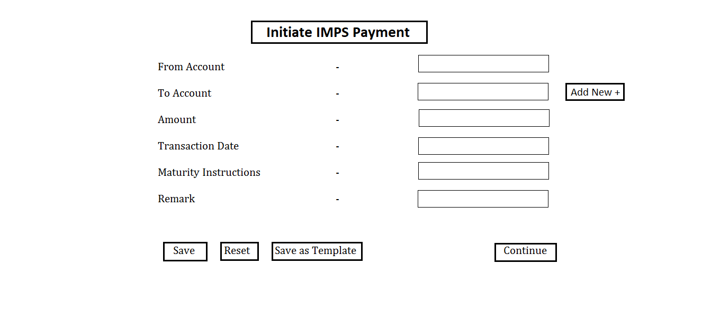
Table | IMPS Payment
Attribute | From_A/c | To_A/c | Amount | Trans_Date | Maturity_Instructions |  | Remark
Type | number | DropDown |  | Date
Size/Format | 16 | 16
Required | * | * | * | *

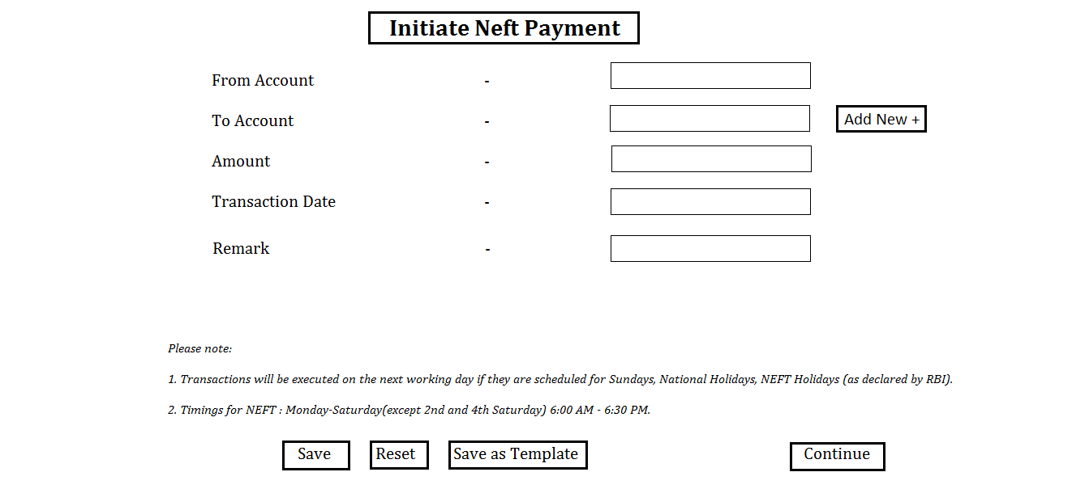
 | NEFT Payment
Attribute | From_A/c | To_A/c | Amount | Trans_Date | Remark
Type | number | DropDown |  | Date
Size/Format | 16 | 16
Required | * | * | * | *

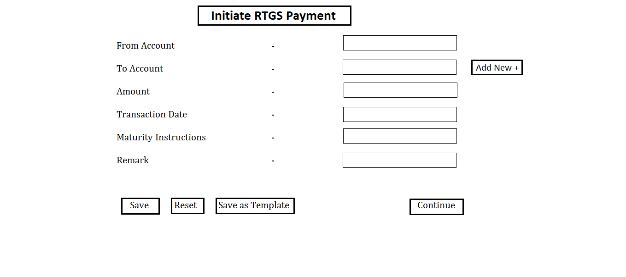
 | Table | RTGS Payment
 | Attribute | From_A/c | To_A/c | Amount | Trans_Date | Maturity_Instructions |  | Remark
 | Type | number | DropDown |  | Date
 | Size/Format | 16 | 16
 | Required | * | * | * | *

AccountStmt
